Lease Overview
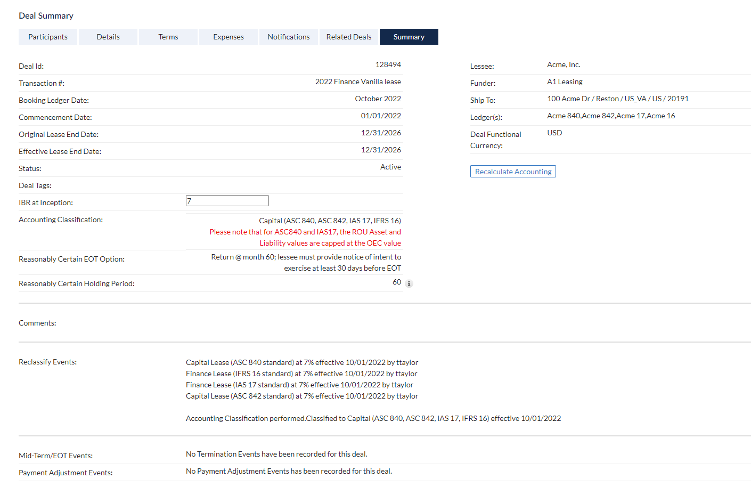
Schedule Number | 2022 Finance Vanilla lease
Equipment Periodic Payment | $50,000.00
Incremental Borrowing Rate | 7.00%
Lease Start Date | 2022-01-01
Lease Term (in months)(contract) | 60

