Lease Overview
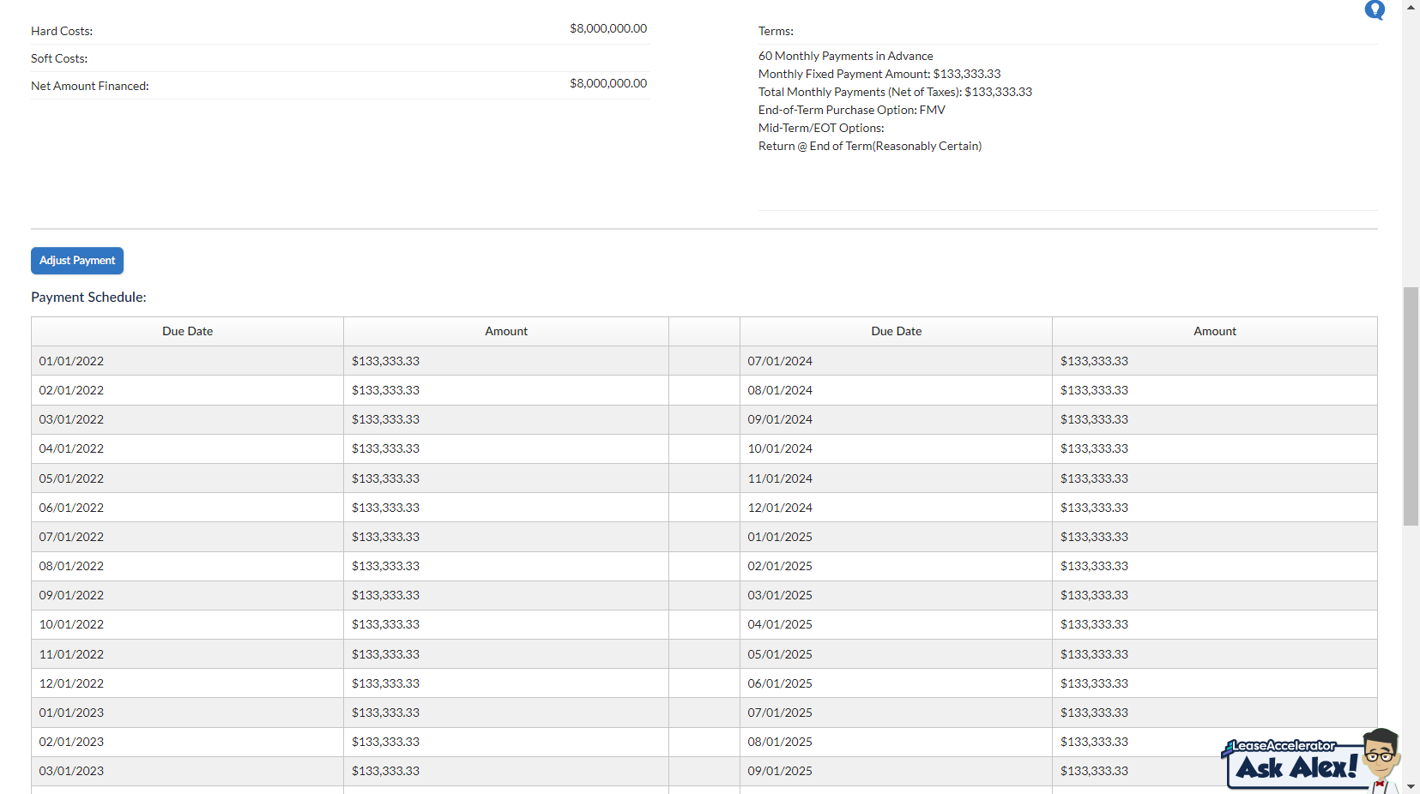
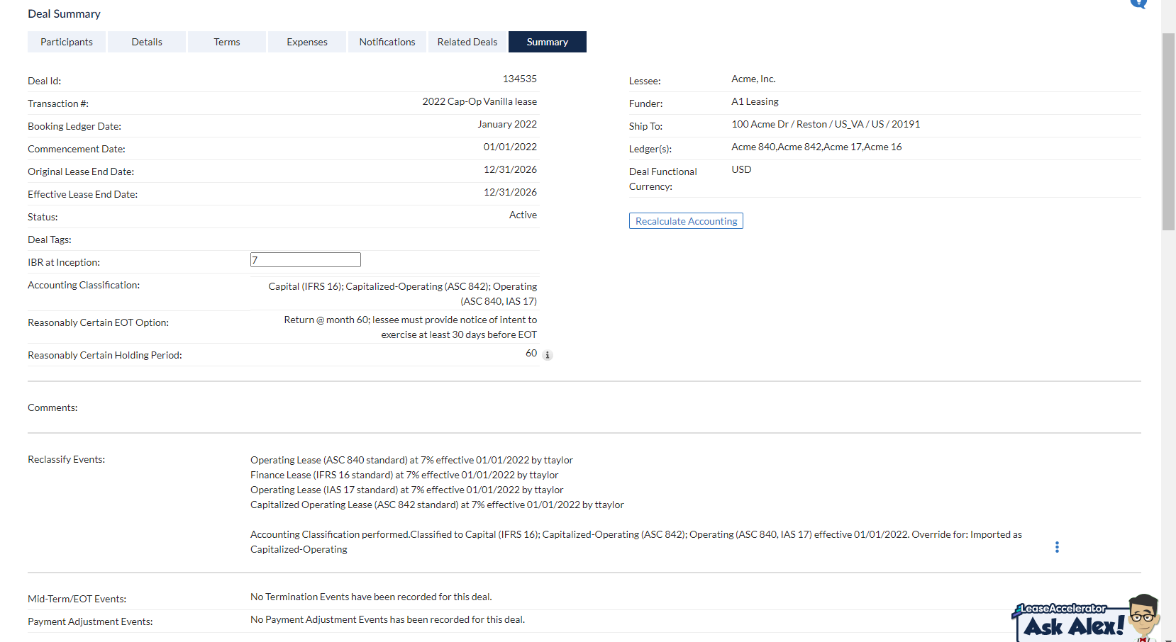
Schedule Number | 2022 Cap-Op Vanilla lease
Equipment Periodic Payment | 133333.33333
Incremental Borrowing Rate | 7.00%
Lease Start Date | 2022-01-01
Lease Term (in months)(contract) | 60

