Instructions
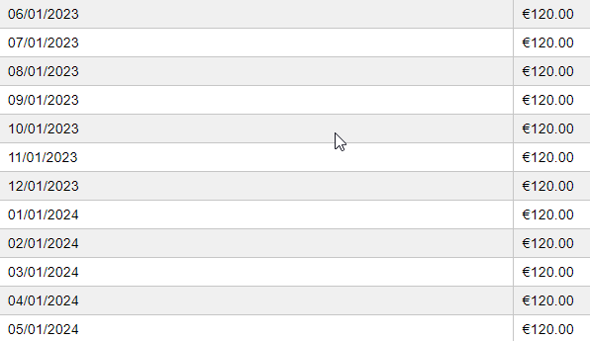
The EOT Recordation Report generated from Reporting, EOT Reports may be used instead of this standalone template, if preferred. The benefit of using this report is that it includes a BUAsset report for reference and the BUAsset report contains the Asset IDs.

(i) If any/all rows in the import file on the Advanced Form tab are the same, other than the Asset ID, Description, and Serial Number fields, then a single payment amount is applied to cover all the assets and appears as one Event in the Deal Summary. This applies to both Renewal Payment and Buyout Cost. The way that the system determines which rows are the same is by looking at the Ledger Date, Effective Date, Renewal Term, Renewal Frequency, RMA Number, Renewal Payment, and Buyout Cost fields. | Best practice for the Ledger Date Day is to use the first day of the first open period or leave it blank and let the accounting engine use the correct date. If using a date that is not in the acceptable list of options, you will receive validation warnings or errors.

In the example below, the import file shows a 12-month renewal for 4 assets on the same effective date and with the same payment of 50.00. The system interprets this as one event for a single 50.00 payment applied to the Schedule. All rows on the Advanced tab are the same, other than Asset ID in this example, so they are grouped together as one EOT Event for the specified amount. | In the example below, the import file shows a buyout for 4 assets on the same effective date and with the same buyout cost of 600.00. The system interprets this as one event for a single 600.00 buyout applied to the Schedule. All rows on the Advanced tab are the same, other than Asset ID in this example, so they are grouped together as one EOT Event for the specified amount.

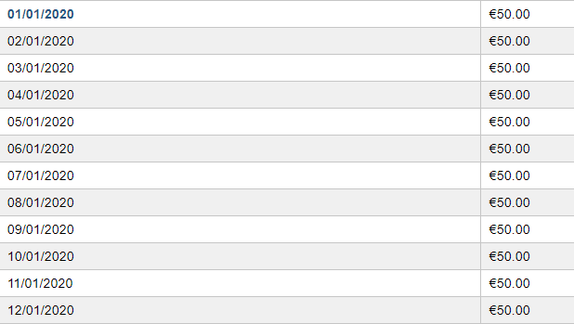

(ii) If any/all rows in the import file on the Advanced Form tab are different, not including the Asset ID, Description, and Serial Number fields, then the payment amount specified is applied to each individual asset. This applies to both Renewal Payment and Buyout Cost.

In the example below, the import file shows a 12-month renewal for 4 assets on the same effective date with a different payment for each. The system interprets this as four events and four different payments for a total of 260.00. All rows on the Advanced tab are not the same. The Renewal Payment is different for each row/asset in this example, so they are not grouped together and show as four EOT Events for each specified amount with a total payment of 260.00 applied to the Schedule. | In the example below, the import file shows a buyout for 4 assets on the same effective date with a different buyout cost for each. The system interprets this as four events and four different payments for a total of 900.00. All rows on the Advanced tab are not the same. The Buyout Cost is different for each row/asset in this example, so they are not grouped together and show as four EOT Events for each specified amount with a total payment of 900.00 applied to the Schedule.

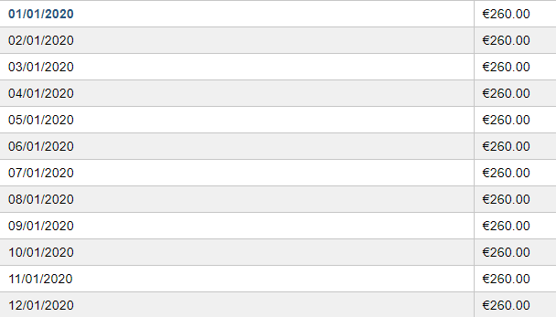

(iii) If some rows in the import file on the Advanced Form tab are the same and some are different, not including the Asset ID, Description, and Serial Number fields, then the payment amount specified is applied to each group of assets with the same values. This applies to both Renewal Payment and Buyout Cost.

In the example below, the import file shows a 12-month renewal for 2 assets on the same effective date and with the same payment of 50.00 and 2 assets on the same effective date and with the same payment of 70.00. The system interprets this as two events and two different payments for a total of $120.00. The Renewal Payment is different for each pair of rows/assets in this example, so they are grouped together in the pairs and show as two EOT Events for each specified group amount with a total payment of 120.00 applied to the Schedule. | In the example below, the import file shows a buyout for 2 assets on the same effective date and with the same buyout cost of 200.00 and 2 assets on the same effective date and with the same buyout cost of 600.00. The system interprets this as two events and two different payments for a total of 800.00. The Buyout Cost is different for each pair of rows/assets in this example, so they are grouped together in the pairs and show as two EOT Events for each specified group amount with a total payment of 800.00 applied to the Schedule.

